Sheet1
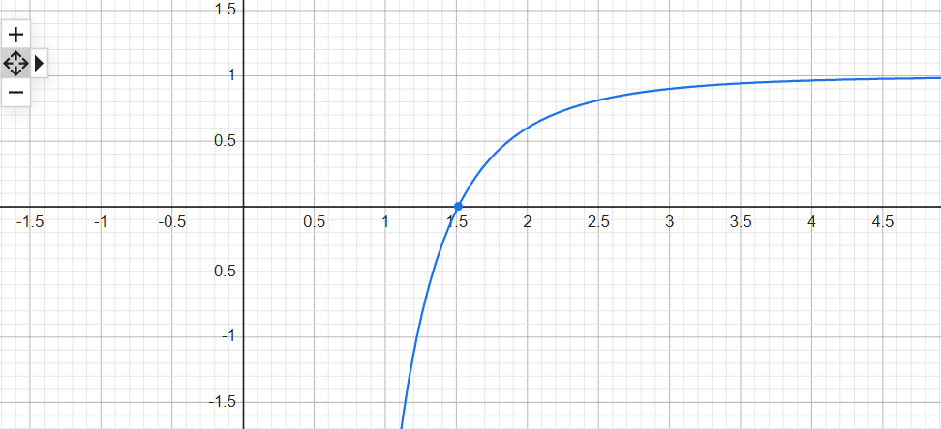
5장 연습문제 풀이
 | 5.1 |  |  |  |  |  |  |  |  |  | 5.11
 |  | xl | xr | xu | fl | fr | fu | ea |  |  | (a)
 | 1 | 0.2 | 0.35 | 0.5 | 12.706474158 | 2.3387193055 | -4.2485678191
 | 2 | 0.35 | 0.425 | 0.5 | 2.3387193055 | -1.2809448587 | -4.2485678191 | 17.647058824
 | 3 | 0.35 | 0.3875 | 0.425 | 2.3387193055 | 0.43408831805 | -1.2809448587 | 9.6774193548
 |  | 0.3875 | 0.40625 | 0.425 |  |  |  | 4.6153846154 |  | xr = 0.40625

 | 5.2 |  | Matlab M-file bisect_2 참고 |  |  |  |  |  |  |  |  |  |  |  |  |  |  | xr = 1.51

 |  |  |  |  |  |  |  |  |  |  | (b) iter | xl | xr | xu | fl | fr | fu | ea
 | 5.3 |  |  |  |  |  |  |  |  |  | 1 | 0.5 | 1.5 | 2.5 | -32.258214682 | -0.030945998666 | 0.81303218302
 |  |  |  |  |  |  |  |  |  |  | 2 | 1.5 | 2 | 2.5 | -0.030945998666 | 0.60180937819 | 0.81303218302 | 25
 |  |  |  |  |  |  |  |  |  |  | 3 | 1.5 | 1.75 | 2 | -0.030945998666 | 0.37890887001 | 0.60180937819 | 14.285714286
 | 5.4 |  |  |  |  |  |  |  |  |  | 4 | 1.5 | 1.625 | 1.75 | -0.030945998666 | 0.2069271765 | 0.37890887001 | 7.6923076923
 |  |  |  |  |  |  |  |  |  |  | 5 | 1.5 | 1.5625 | 1.625 | -0.030945998666 | 0.097956238334 | 0.2069271765 | 4
 |  |  |  |  |  |  |  |  |  |  | 6 | 1.5 | 1.53125 | 1.5625 | -0.030945998666 | 0.036260860505 | 0.097956238334 | 2.0408163265
 | 5.5 |  |  |  |  |  |  |  |  |  | 7 | 1.5 | 1.515625 | 1.53125 | -0.030945998666 | 0.0033830901171 | 0.036260860505 | 1.0309278351
 |  | xl | xr | xu | fl | fr | fu | ea |  |  | 8 | 1.5 | 1.5078125 | 1.515625 | -0.030945998666 | -0.013595193182 | 0.0033830901171 | 0.51813471503
 | 1 | 0.2 | 0.42482647065 | 0.5 | 12.706474158 | -1.2734003063 | -4.2485678191 |  |  |  | 9 | 1.5078125 | 1.51171875 | 1.515625 | -0.013595193182 | -0.0050601040107 | 0.0033830901171 | 0.25839793282
 | 2 | 0.2 | 0.40434745295 | 0.42482647065 | 12.706474158 | -0.35806665259 | -1.2734003063 | 5.0647079759 |  |  | 10 | 1.51171875 | 1.513671875 | 1.515625 | -0.0050601040107 | -0.00082709622113 | 0.0033830901171 | 0.12903225806 | xr = 1.507813
 | 3 | 0.2 | 0.39874679622 | 0.40434745295 | 12.706474158 | -0.098794061024 | -0.35806665259 | 1.4045646975 |  | xr = 0.398747
 |  |  |  |  |  |  |  |  |  |  | (c) iter | xl | xr | xu | fl | fr | fu | ea
 |  |  |  |  |  |  |  |  |  |  | 1 | 0.5 | 2.4508314769 | 2.5 | -32.258214682 | 0.7998732909 | 0.81303218302
 | 5.6 |  |  |  |  |  |  |  |  |  | 2 | 0.5 | 2.4036291706 | 2.4508314769 | -32.258214682 | 0.78612330191 | 0.7998732909 | 1.963793203
 |  |  |  |  |  |  |  |  |  |  | 3 | 0.5 | 2.358341919 | 2.4036291706 | -32.258214682 | 0.77179209566 | 0.78612330191 | 1.9203004987
 |  |  |  |  |  |  |  |  |  |  | 4 | 0.5 | 2.3149191727 | 2.358341919 | -32.258214682 | 0.75689379494 | 0.77179209566 | 1.8757780746
 | 5.7 |  |  |  |  |  |  |  |  |  | 5 | 0.5 | 2.2733109175 | 2.3149191727 | -32.258214682 | 0.74144687029 | 0.75689379494 | 1.8302932044
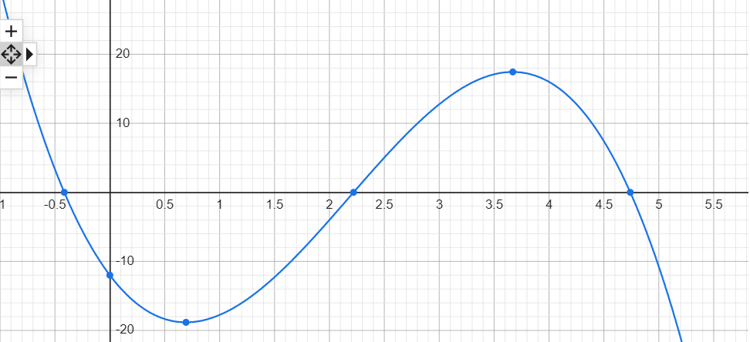
 | (a) |  |  |  |  |  |  |  |  |  | 6 | 0.5 | 2.2334676049 | 2.2733109175 | -32.258214682 | 0.7254741816 | 0.74144687029 | 1.7839216687
 |  |  |  |  |  |  |  | xr = -0.48 |  |  | 7 | 0.5 | 2.1953400929 | 2.2334676049 | -32.258214682 | 0.70900295141 | 0.7254741816 | 1.7367473994
 |  |  |  |  |  |  |  |  |  |  | 8 | 0.5 | 2.1588795962 | 2.1953400929 | -32.258214682 | 0.69206466578 | 0.70900295141 | 1.68886198
 |  |  |  |  |  |  |  |  |  |  | 9 | 0.5 | 2.1240376472 | 2.1588795962 | -32.258214682 | 0.6746949009 | 0.69206466578 | 1.6403640053
 |  |  |  |  |  |  |  |  |  |  | 10 | 0.5 | 2.0907660677 | 2.1240376472 | -32.258214682 | 0.65693307543 | 0.6746949009 | 1.5913583072 | xr = 2.090766

 | (b) | xl | xr | xu | fl | fr | fu | ea
 | 1 | -1 | -0.5 | 0 | 29.75 | 3.34375 | -12 |  | 예상 iter : | 7
 | 2 | -0.5 | -0.25 | 0 | 3.34375 | -5.58203125 | -12 | 100
 | 3 | -0.5 | -0.375 | -0.25 | 3.34375 | -1.4487304688 | -5.58203125 | 33.333333333
 | 4 | -0.5 | -0.4375 | -0.375 | 3.34375 | 0.86309814453 | -1.4487304688 | 14.285714286
 | 5 | -0.4375 | -0.40625 | -0.375 | 0.86309814453 | -0.31366729736 | -1.4487304688 | 7.6923076923
 | 6 | -0.4375 | -0.421875 | -0.40625 | 0.86309814453 | 0.26947116852 | -0.31366729736 | 3.7037037037
 | 7 | -0.421875 | -0.4140625 | -0.40625 | 0.26947116852 | -0.023405194283 | -0.31366729736 | 1.8867924528
 | 8 | -0.421875 | -0.41796875 | -0.4140625 |  |  |  | 0.93457943925 |  | xr = -0.41797

 | (c) | xl | xr | xu | fl | fr | fu | ea
 | 1 | -1 | -0.2874251497 | 0 | 29.75 | -4.4117348866 | -12
 | 2 | -1 | -0.3794489107 | -0.2874251497 | 29.75 | -1.2896638716 | -4.4117348866 | 24.251950236
 | 3 | -1 | -0.40523212548 | -0.3794489107 | 29.75 | -0.35129286822 | -1.2896638716 | 6.3625791639
 | 4 | -1 | -0.41217327958 | -0.40523212548 | 29.75 | -0.093835792859 | -0.35129286822 | 1.6840378669
 | 5 | -1 | -0.4140215402 | -0.41217327958 | 29.75 | -0.024933806554 | -0.093835792859 | 0.44641653589 |  | xr = -0.41217

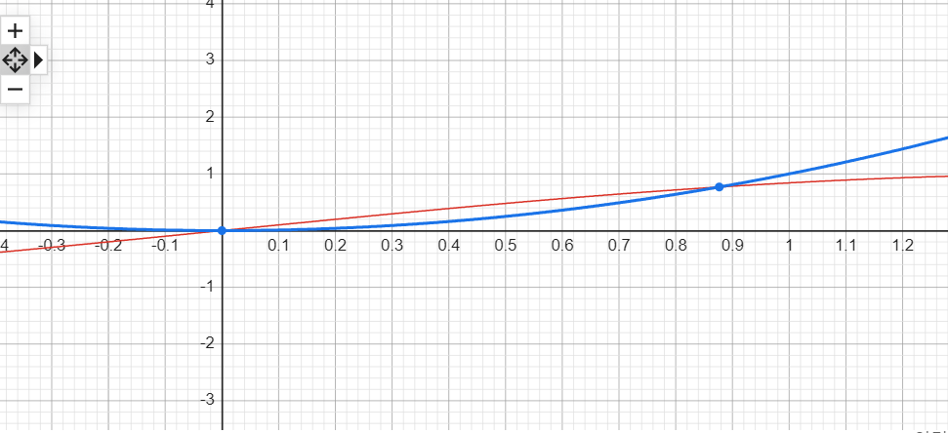
 | 5.8
 | (a) |  |  |  |  |  |  | xr = 0.877

 | (b) | xl | xr | xu | fl | fr | fu | ea | 예상 iter : | 6
 | 1 | 0.5 | 0.75 | 1 | -0.2294255386 | -0.11913876002 | 0.15852901519
 | 2 | 0.75 | 0.875 | 1 | -0.11913876002 | -0.001918502236 | 0.15852901519 | 14.285714286
 | 3 | 0.875 | 0.9375 | 1 | -0.001918502236 | 0.072825141739 | 0.15852901519 | 6.6666666667
 | 4 | 0.875 | 0.90625 | 0.9375 | -0.001918502236 | 0.034092415168 | 0.072825141739 | 3.4482758621
 | 5 | 0.875 | 0.890625 | 0.90625 | -0.001918502236 | 0.015747912379 | 0.034092415168 | 1.7543859649 |  | xr = 0.890625

 | (optional) | xl | xr | xu | fl | fr | fu | ea
 | 1 | 0.5 | 0.79568610081 | 1 | -0.2294255386 | -0.081227531804 | 0.15852901519
 | 2 | 0.79568610081 | 0.86490595717 | 1 | -0.081227531804 | -0.012971945568 | 0.15852901519 | 8.0031656375
 | 3 | 0.86490595717 | 0.87512416564 | 1 | -0.012971945568 | -0.0017807808176 | 0.15852901519 | 1.1676295631 |  | xr = 0.875124

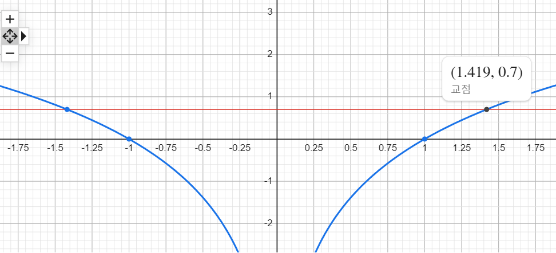
 | 5.9
 | (a) |  |  |  |  |  |  | xr = 1.419

 | (b) | xl | xr | xu | fl | fr | fu | ea | 예상 iter : | 8
 | 1 | 0.5 | 1.25 | 2 | -2.0862943611 | -0.25371289737 | 0.68629436112
 | 2 | 1.25 | 1.625 | 2 | -0.25371289737 | 0.27101563156 | 0.68629436112 | 23.076923077
 | 3 | 1.25 | 1.4375 | 1.625 | -0.25371289737 | 0.025810987379 | 0.27101563156 | 13.043478261
 | 4 | 1.25 | 1.34375 | 1.4375 | -0.25371289737 | -0.10907157421 | 0.025810987379 | 6.976744186
 | 5 | 1.34375 | 1.390625 | 1.4375 | -0.10907157421 | -0.040493427255 | 0.025810987379 | 3.3707865169
 | 6 | 1.390625 | 1.4140625 | 1.4375 | -0.040493427255 | -0.0070664653076 | 0.025810987379 | 1.6574585635
 | 7 | 1.4140625 | 1.42578125 | 1.4375 | -0.0070664653076 | 0.0094398182059 | 0.025810987379 | 0.82191780822
 | 8 | 1.42578125 | 1.431640625 | 1.4375 | 0.0094398182059 | 0.017642153694 | 0.025810987379 | 0.40927694407 |  | xr = 1.431641

 | (c) | xl | xr | xu | fl | fr | fu | ea
 | 1 | 0.5 | 1.6287074482 | 2 | -2.0862943611 | 0.27557344741 | 0.68629436112
 | 2 | 0.5 | 1.497014302 | 1.6287074482 | -2.0862943611 | 0.10694531837 | 0.27557344741 | 8.7970533097
 | 3 | 0.5 | 1.4483985429 | 1.497014302 | -2.0862943611 | 0.040916985817 | 0.10694531837 | 3.3565180909
 | 4 | 0.5 | 1.4301560632 | 1.4483985429 | -2.0862943611 | 0.015567146912 | 0.040916985817 | 1.2755586701
 | 5 | 0.5 | 1.4232669909 | 1.4301560632 | -2.0862943611 | 0.0059098536933 | 0.015567146912 | 0.48403233103 |  | xr = 1.423267

 | 5.1
 | (a) | 예상 iter: | 10
 | (b) | xl | xr | xu | fl | fr | fu | ea
 | 1 | 0
 | 2
 | 3
 | 4

